Python
 | Python version check |  | py -V // python --version

x = 2
x *= 3 equals x = x * 3
print(x) = 6
 | string |  | '', "", string() |  |  |  |  |  | Operator | Operation | Example | Evaluates to | Augmented Assignment Statements
 | string |  | 'pepe'
 | variable |  | pepe |  |  |  |  |  | ** | Exponent | 2 ** 3 | 8 | **=
 | integer |  | 5, -6 |  |  |  |  |  | % | Modulus/remainder | 22 % 8 | 6 | %=
 | float |  | 3.33, -7.0
 |  |  |  |  |  |  |  |  | // | Integer division/floored quotient | 22 // 8 | 2 | //=
 | expression |  | values/variables + operator: 2+2 |  |  |  |  |  | / | Division | 22 / 8 | 2.75 | /=
 | assignment statement |  | x = 55 |  |  |  |  |  | * | Multiplication | 3 * 5 | 15 | *=
 |  |  |  |  |  |  |  |  | - | Subtraction | 5 - 2 | 3 | -=
 |  |  |  |  |  |  |  |  | + | Addition | 2 + 2 | 4 | +=
 |  |  |  |  |  |  |  |  | = | Assignment operator | x = 3

 | Functions
 | variable = input() |  | input returns string even if the value is a number
 | len('') |  | returns the length of a string or a list
 | len('jelly') |  | 5
 | panda = ['small', 'medium'] len(panda) |  | 2

 | int(7.33) |  | 7
 | int(4) = int('4') |  | 4
 | float(4) |  | 4.0

 | print('') |  | print out string
 | print() |  | adding a blank line
 | print('Hello \n World') |  | Hello World
 | print('Hello \ World') print('Hello \\ World') |  | Hello \ World
 | print('Hello', end='') print('World') |  | HelloWorld |  | aka print vertically
 | print('Pete', 'Don') |  | Pete Don
 | print('Pete', 'Don', sep='-') |  | Pete-Don

 | type() |  | giving back the type of the value

sequences data type
 | range(5) |  | 0-4
 | range(1 , 5) |  | 1-4
 | range(0, 10, 2) |  | 0,2,4,6,8
 | range(8, 0, -1) |  | 8,7,..0

 | enumerate() = |  | instead of range(len(somelist))
 |  |  | returns 2 values: the index of the item and the item itself

derek = ['dwight', 'pammy', 'yourmom']
for index, item in enumerate(derek):
print(' Index ' + str(index) + 'in the list: ' + str(item))
Index 0 in the list: dwight
...

Concatenation - joining character strings end-to-end

 | Modules (import + module name)
 | random.randint(1, 5) |  | (1-5): 2,1,4,3..
 | random.choice(list) |  | return random item from the ist

 | time.sleep(1) |  | 1 sec delay before the next line
 | sys.exit() |  | exit the program
 | pprint.pprint(dictionary) |  | pls see in the Dictionary section

stringORlist.index['chracter/item']
 | Variables / Functions
x=3
def buggy(par1, par2..)
p=4
...
buggy()
variables, lists, tuples do not contain values, just references to the values
global variable

local variable
parameter(s) / passing the parameter

calling the function

items
 | List
peg = ['bobby', 'strings', 4.2, True, None]
derek = ['dwight', 'pammy', 'mom']
blue = [10, 30]

peg[0] = bobby
peg[2] = 4.2
peg[-1] = None
peg[0:4] = ['bobby', 'strings', 4.2, True] peg[:5] = ['bobby', 'strings', 4.2, True, None]
peg[0:-1] = ['bobby', 'strings', 4.2, True]
peg[1:] = ['strings', 4.2, True, None]
pam = peg[:] - copies the peg list to pam
Multiple Assignment
A, B, C, D, E = peg
peg[A] = bobby
peg[0] = bobby
derek + blue = ['dwight', 'pammy', 'mom', 10, 30]
blue = blue + ['A', 'B', 'C']
blue = [10, 30, 'A', 'B', 'C']
tek = [[10, 20, 30], ['A', 'B', 'C']]
tek[0] = [10, 20, 30]
tek[1][2]= C
tek[0][0:2] = [10, 20] // copy / deepcopy

nested list

Methods
derek.index('dwight') = 0
same value multiple times in the list:
gives back the first index
blue.append('baba')
blue = [10, 30, 'baba']
derek.insert(1, 'xxx')
derek = ['dwight', 'xxx', 'pammy', 'yourmom']
derek.remove('dwight') / derek=['pammy', 'yourmom']
blue.remove(10) / blue = [30]
del blue[0] / blue = [30]
blue.pop(0) / blue = [30]
jacky = [ 2, 5, -3.2]
jacky.sort() - same with list containing strings
jacky = [-3.2, 2, 5]
blue.reverse()
blue = [30, 10]
jimbo = [30, 10, 30, 'hammer', 'mc']
jimbo.count('30') = 0
jimbo.count(30) = 2
copy vs deepcopy
multiple variables for the same value
index with lists, tuples

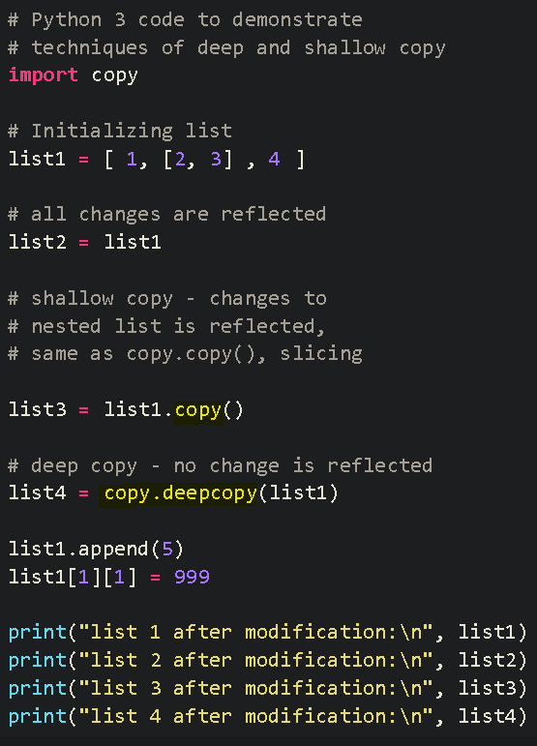

list is mutable
spam = [ 1, 2, 3, 4]
cheese = spam
spam[0] = 'Alloha'
print(spam) = [ 'Alloha, 2, 3, 4]
print(cheese) = [ 'Alloha, 2, 3, 4]
append, insert, remove.. only with lists

List is a sequence data type
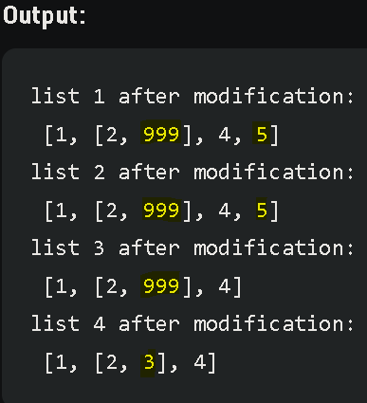

items
 | Tuple
peg = ('bobby', 'strings', 4.2, True, None)
derek = ('dwight', 'pammy', 'mom')
frodo = (10, 30)

type(('hello',)) = <class 'tuple'>
type(('hello',)) = <class 'str'>
new = derek + frodo / ('dwight', 'pammy', 'mom', 10, 30)
new_2nd = (derek, frodo) / (('dwight', 'pammy'), ('mom', 10, 30)) - nested tuple
derek[0] = 'teddy' / error

list -> tuple
tuple(['A', 3]) = ('A',3) tuple -> list list(('A', 3)) = ['A',3]

Tuple is a sequence data type
Tuple, string, integer are immutable

list('hello') = ['h', 'e', 'l', 'l' , 'o']
Tuples: no append, remove method, no item`s value modification

key
key-value
 | Dictionary

myCat = {'size': 'big', 'color': 'grey', 'disposition': 'loyd', '123': 'pi'} PiCat = {'color': 'grey', 'size': 'big', '123': 'pi', 'disposition': 'loyd'}

myCat == PiCat / True - no indexes, order does not matter
print(myCat['size']) = big / key in the dicictionary -> value
print(myCat['123']) = pi
myCat['big'] = 'really big' / key not in the dic. -> adding to the dictionary
list(myCat) / same with tupe
myCat = ['size','color', 'disposition', '123']

not a true list, not able to modify

Methods - values(), keys(), items()
print(myCat.values()) = dict_values(['big', 'grey', 'loyd', 'pi'])
list(myCat.values()) = ['big', 'grey', 'loyd', 'pi']
for v in myCat.values(): / keys() - same for keys
print(v)
fat
grey
loyd
pia
for v in myCat.items():
print(v)
('size', 'big')
('color': 'grey')
..
keys() method in nested dictionaries

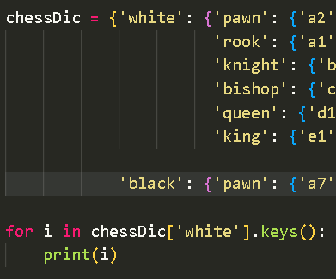
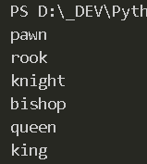

for k, v in myCat.items():
print('Key: ' + k + ' Value: ' + v)
Key: size Value: big
Key: color Value: grey

myCat = {'size': 'big', 'color': 'grey'}
fat in myCat.values() / True
size in myCat.keys() / True
size in myCat / True

Methods - get(), setdefault()
myCat.get('size', 0) = 'big'
myCat.get('size') = 'big'
myCat.get('terry', 0) = 0
myCat.get('terry') / error
count = 0
for k in listOftheKeys:
count = count + someDictionary.get(k, 0)
setdefault()
Adding value to a key which is not part of the dictionary.
if 'homer' not in myCat:
myCat['homer'] = 'bud'
myCat.setdefault('homer', 'bud') / same result with 1 line
myCat = {'homer': 'bud', 'size': 'big', 'color': 'grey'}
myCat.setdefault('homer', 'PEG')
myCat = {'homer': 'bud', 'size': 'big', 'color': 'grey'} / no update, homer already in dic.
message = 'Just a standard message bro!'
count = {}
for k in message
count.setdefault(k, 0)
count[k] = count[k] + 1
print(count)
{'J': 1, 'u': 1, 's': 4, 't': 2, ' ': 4, 'a': 4, 'n': 1, 'd': 2, 'r': 2, 'm': 1, 'e': 2, 'g': 1, 'b': 1, 'o': 1, '!': 1}
get() method in nested dictionaries

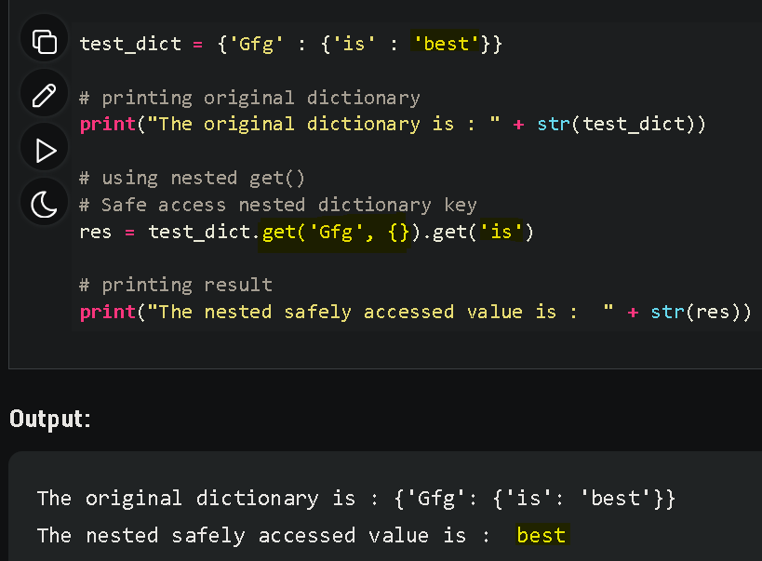
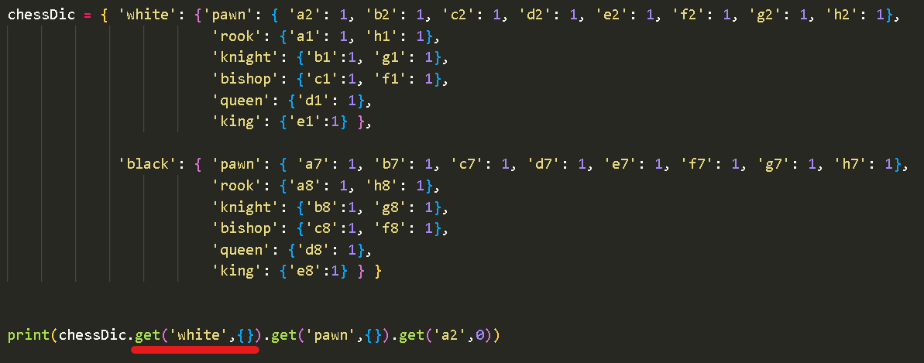
gives back 0 (or any other added value), if the key does not part of the dictionary

SUM of the values of the dictionary where the values are integer

counting the characters in a message beware: uppercase != lowercase

need to add 0 as a default value, so the next line does not drop an error

Pretty Printing
import pprint
..
pprint.pprint(count)
{' ': 4,
'!': 1,
'J': 1,
...
't': 2,
'u': 1}
Replace key
red = {}
red['new_key'] = red.pop('old_key')

 | Strings

 | hello = 'hello world' |  |  |  | Escape Characters
 | hello[1] |  | e |  | \' | Single quote
 | hello[4] |  | o |  | \" | Double quote
 | hello[:4] / =[0:4] |  | hell |  | \t | Tab
 | hello[:-4] |  | hello w |  | \n | Newline (line break)
 | hello[::1] |  | hello world |  | \\ | Backlslash
 | hello[::2] |  | hlowrd
 | hello.isupper() |  | False |  | print(r'That is Carol\`s car.') |  |  | = That is Carol\`s car.
Raw String
ignores all escape characters
 | hello.islower() |  | True
function
 | 'Bobby'.isupper() |  | False
 | 'Bobby'.islower() |  | False

x = input(`Your name:').upper()
/ user: peter |  |  |  |  |  |  | True if
print(x) |  |  | PETER |  | isalpha() |  | only letters, is not blank
 |  |  |  |  | isalnum() |  | only letters and numbers, is not blank
String Interpolation
name = 'Benny'
age = '40'
print(' My name is %s and I am %s years old.' %(name, age)) My name is Benny and I am 40 years old.
 |  |  |  |  | isdecimal() |  | only numeric characters, is not blank
 |  |  |  |  | isspace() |  | only spaces, tabs, newlines, is not blank
 |  |  |  |  | istitle() |  | words begin with uppercase letter followed by lowercase letters

while True:
print('Enter your age:')
age = input()
if age.isdecimal():
break
print('Please enter a number for your age,')

f-string
name = 'Benny'
age = '40'
print(f' My name is {name} and I am {age + 5} years old.') My name is Benny and I am 45 years old.

print(''' Dear Mr. Bean, line 2.
line3
line4''')
Dear Mr. Bean, line 2.
line3
line4

'Hello, world!'.startswith('Hello') |  |  | True
'Hello, world!'.endswith('world!') |  |  | True
'Hello, world!'.startswith('Hello, world!') |  |  | True
'Hello, world!'.endswith('Hello, world!') |  |  | True

', '.join(['cats', 'rats']) |  |  | cats, rats
' '.join(['My', 'name', 'is', 'Simon.']) |  |  | My name is Simon.
'ABC'.join(['cats', 'rats']) |  |  | catsABCrats

'My name is Simon.'.split() |  |  | ['My', 'name', 'is', 'Simon.']
'catsABCrats.'.split(ABC) |  |  | ['cats', 'rats']

Each item is one line of the string
 | spam = ''' Dear Mr.Duck, line 2 line 3
 | line 4 '''
 | spam.split(\n) |  | ['Dear Mr.Duck,', 'line 2', 'line 3', 'line 4']

Not in the string: The whole string and 2x empty
'Hello, world!'.partition('w') |  |  | ('Hello,' 'w', 'orld!')
'Hello, world!'.partition('world') |  |  | ('Hello,' 'world', '!')
'Hello, world!'.partition('o') |  |  | ('Hell', 'o', ', wolrd!')
'Hello, world!'.partition('XYZ') |  |  | ('Hello, world!', '', '')
multiple assignment
before, sep, after = 'Hello, world!'.partition(' ') |  |  | before = Hello,
 |  |  | after = world!

10: string(Hello) length = 5, blank=5 | symbol just for guidence the pacing
'Hello'.rjust(10) |  |  | | Hello
'Hello'.rjust(20) |  |  | | Hello
'Hello'.ljust(10) |  |  | Hello |

'Hello'.rjust(10, '*') |  |  | *********Hello
'Hello'.ljust(10, '*') |  |  | Hello*********
print('aaaa'.rjust(10,'*').rjust(20)) |  |  | | ******aaaa

'Hello'.center(20) |  |  | | Hello |
'Hello'.center(20,'=') |  |  | =======Hello========
def printPicnic(itemDic, leftWidth, rightWidth):
print('PICNIC ITEMS'.center(leftWidth + rightWidth, '-'))
for k, v in itemDic.items():
print(k.ljust(leftWidth, '.') + str(v).rjust(rightWidth))
picnicItems = {'sandwiches': 4, 'apples': 12, 'cups': 4, 'cookies': 200}
printPicnic(picnicItems, 12, 5)
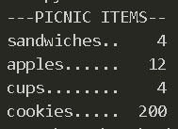

| symbol just for guidence for the pacing
spam = ' Hello, world! '
spam.strip() |  |  | Hello, world!
spam.lstrip() |  |  | Hello, world! |
spam.rstrip() |  |  | | Hello, world!

spam = ' SpamSpamTEXTSpamSpam '
 | spam.strip('ampS') |  | TEXT
 | spam.strip('pmSa') |  | TEXT

 | ord('A') |  | 65
 | chr(65) |  | A

 |  | Adding to / Reading Clipboard - Pyperclip Module |  |  |  |  | Reading Clipboard - Tkinter
import pyperclip as pc
pc.copy('Hello World!') / put in clipboard
pc.paste()
print(pc.paste()) /-> Hello World!
import pyperclip as pc
link = pc.paste()
print(link)
from tkinter import Tk
link = Tk().clipboard_get()
print(link)

 |  |  |  | Subprocess, OS modules
 |  |  |  | Calling an another program from a different folder // Change directory, folder
from subprocess import call
import os
def run_Movie():
os.chdir(r"D:\_DEV\Python\py_21-25_projects")
call(["python", "22_Movie_Details_Scraping.py"])

the prog. is located in the folder py_21-25_projects

